Summary


AMAZON LAPTOP SALES DASHBOARD


PAGE NAVIGATION

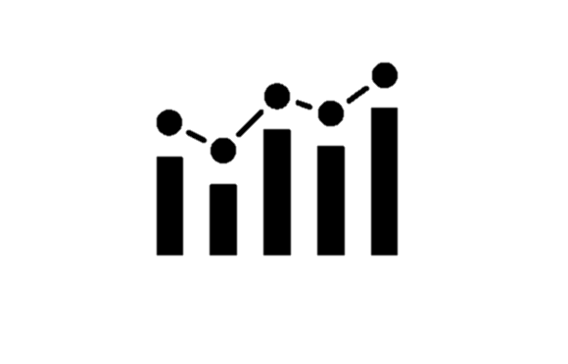


$20,50,69,552.04
TOTAL SALES
1117785
AVAILABLE STOCK
171678
SALES PRODUCT COUNT

TOP 3 BRAND ANALYSIS BASED ON PRODUCT COUNT

DELL | 53.74%
HP | 26.04%
ROKC | 20.23%
 | Percentage
DELL | 53.74%
OTHERS | 46.26%
 | Percentage
HP | 26.04%
OTHERS | 73.96%
 | Percentage
ROKC | 20.23%
OTHERS | 79.77%

STOCK ANALYSIS BASED ON RAM CATEGORY

RAM-Wise Available Stock
 | Sum of Available Stock
16 GB | 335887
32 GB | 260706
8 GB | 211267
4 GB | 59977
12 GB | 8376
Stock Details
Total Stock | 1289463
Available Stock | 1117785

Analysis of Apple Models Based on Sales

 | Total sales
MacBook Pro | 378398.51
MacBook Air | 334999.21
MacBook | 40999.59
2022 Apple MacBook Air M2, 16GB RAM, 256GB Storage - Space Gray (Z15S000CT) | 25959.56
2022 Apple MacBook Air M2, 16GB RAM, 512GB Storage - Midnight (Z160000B1) | 8820
MacBook Pro 13-inch | 8399.72
MacBook Pro 15-inch | 6629.83
MacBook Air M2 | 4679.88

Sales Analysis
SALES ANALYSIS

Sum of Sale Product Count | Sum of Total Sales | Sum of Total Stock | Sum of Available Stock |  |  | PASTED VALUES
171678 | $205,069,552.04 | 1289463 | 1117785 |  |  | Sum of Sale Product Count | Sum of Total Sales | Sum of Total Stock | Sum of Available Stock
 |  |  |  |  |  | 171678 | $205,069,552.04 | 1289463 | 1117785

Sales Percentage
TOP 3 BRANDS(BASED ON SALES)

Row Labels | Sum of Sale Product Count
DELL | 66210
HP | 32079
ROKC | 24925
Grand Total | 123214

SALES PERCENTAGE
Top 3 Brands Analysis
Brand | Product Sale Count | Percentage
DELL | 66210 | 53.74%
HP | 32079 | 26.04%
ROKC | 24925 | 20.23%

TOP 3 BRANDS VS OTHER BRANDS

DELL VS OTHERS |  |  |  | HP VS OTHERS |  |  |  |  | ROKC VS OTHERS
Brands | Product Sale Count | Percentage |  | Brands | Product Sale Count | Percentage |  |  | Brands | Product Sale Count | Percentage
DELL | 66210 | 53.74% |  | HP | 32079 | 26.04% |  |  | ROKC | 24925 | 20.23%
OTHERS | 57004 | 46.26% |  | OTHERS | 91135 | 73.96% |  |  | OTHERS | 98289 | 79.77%

DELL VS OTHERS
HP VS OTHERS
ROKC VS OTHERS

Ram Details
AVAILABLE STOCKS BASED ON RAM CATEGORY

Row Labels | Sum of Available Stock | Sum of Total Stock | Row Labels | Sum of Available Stock | Sum of Total Stock | Total Stock | Available Stock
16 GB | 335887 | 387494 | 16 GB | 335887 | 387494 | 1289463 | 1117785
32 GB | 260706 | 302432 | 32 GB | 260706 | 302432
8 GB | 211267 | 241560 | 8 GB | 211267 | 241560
4 GB | 59977 | 68609 | 4 GB | 59977 | 68609
12 GB | 8376 | 9952 | 12 GB | 8376 | 9952
Grand Total | 876213 | 1010047

FILTERS

Apple Info
ANALYSIS OF APPLE BRAND

 | Total sales
MacBook Pro | 378398.51
MacBook Air | 334999.21
MacBook | 40999.59
2022 Apple MacBook Air M2, 16GB RAM, 256GB Storage - Space Gray (Z15S000CT) | 25959.56
2022 Apple MacBook Air M2, 16GB RAM, 512GB Storage - Midnight (Z160000B1) | 8820
MacBook Pro 13-inch | 8399.72
MacBook Pro 15-inch | 6629.83
MacBook Air M2 | 4679.88

Row Labels | Sum of Total Sales
Apple | 808886.3
MacBook Pro 15-inch | 6629.83
MacBook Pro 13-inch | 8399.72
MacBook Pro | 378398.51
MacBook Air M2 | 4679.88
MacBook Air | 334999.21
MacBook | 40999.59
2022 Apple MacBook Air M2, 16GB RAM, 512GB Storage - Midnight (Z160000B1) | 8820
2022 Apple MacBook Air M2, 16GB RAM, 256GB Storage - Space Gray (Z15S000CT) | 25959.56
Grand Total | 808886.3

Apple Brand | Total Sales
MacBook Pro 15-inch | 6629.83
MacBook Pro 13-inch | 8399.72
MacBook Pro | 378398.51
MacBook Air M2 | 4679.88
MacBook Air | 334999.21
MacBook | 40999.59
2022 Apple MacBook Air M2, 16GB RAM, 512GB Storage - Midnight (Z160000B1) | 8820
2022 Apple MacBook Air M2, 16GB RAM, 256GB Storage - Space Gray (Z15S000CT) | 25959.56

